Land
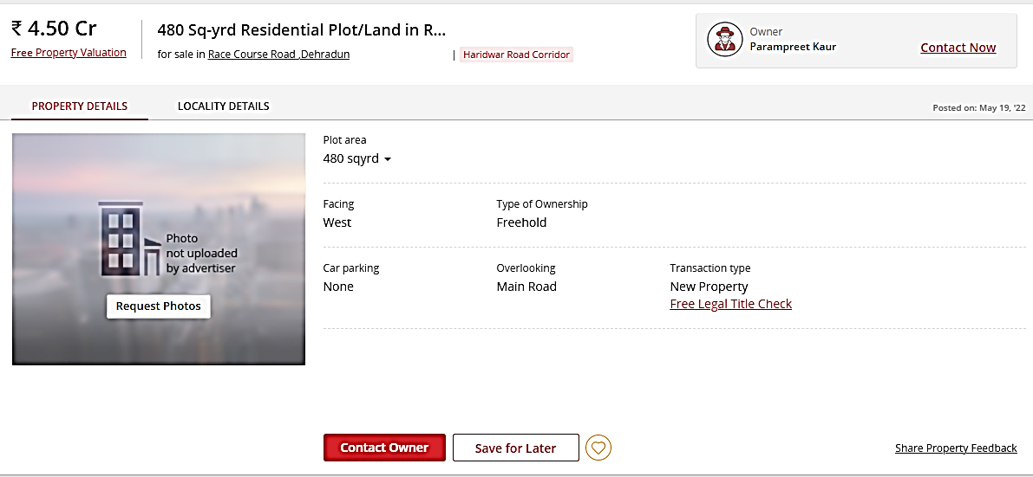
 | Area in (SqYards) | Rates | Value
 | 429.75 | 85,000 | 36,528,471
Plot area (in sqm)
359.32

 | Land | Building | Total
 | 36,528,471 | 5,417,439 | 41,945,910
 | PL-116 | FMV | 41,900,000
 |  | RV | 35,615,000
 |  | DV | 31,425,000

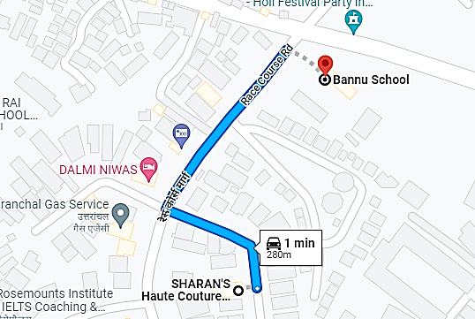
 | CIRCLE VALUE
 | Area | Unit | Calculation |  | As it is not confirmed that Karanpur is the area where RaceCourse is part of but is in very close proximity of Karnapur.
Circle rate | - | <- Rate in Per Hectare | 4,000 | <- Rate in Per sq. mtr
Land Value | 359.32 | <- Area in Sqmt | 1,437,280 | LAND RATE TO BE CONFIRMED
Circle rate | - | <- Rate in Per Hectare | 12,000 | <- Rate in Per sq. mtr
Building Value | 332.48 | <- Area in Sqmt | 3,642,656.25 | <-- Final Value
Builtup Area (in sq.ft.) | 3578.82 | TOTAL | 5,079,936 | 3,989,766

 |  |  | 3,642,656.25 | 0.913 | <-- building age factor
 | % Diffrence | 87.89%

