Land+Building
 | Area in (Sq.mtr.) | Rates | Value |  | rate of Comp 1 | ₹ 142,328
 | 189.00 | 149,000 | 28,161,000 |  | rate of Comp 2 | ₹ 189,550
Plot area (in sqm) |  |  |  |  | Rates after adjustments | ₹ 149,345 | Taking average of rates and discounting it by 10% for big plot comparable to the neighbouring properties
189 |  |  |  |  |  | ₹ 149,000

 | Land | Building | Total
 | 28,161,000 | 3,283,671 | 31,444,671
 | CTS 439 | FMV | 31,400,000
 |  | RV @ 15% Less | 26,690,000
 |  | DV @ 25% Less | 23,550,000

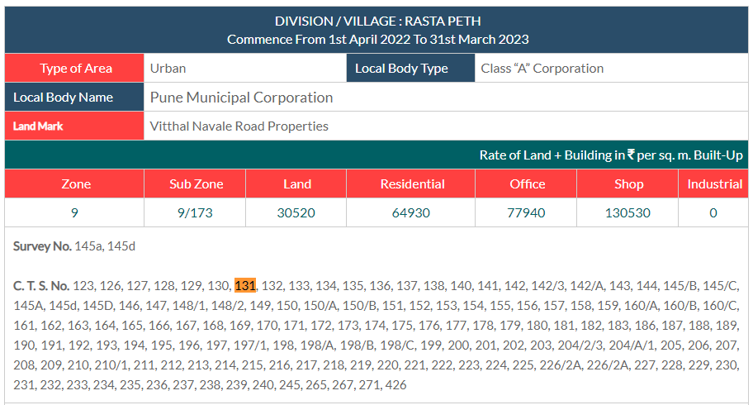
 | CIRCLE RATE VALUE

Land / Unit no. | Unit Type | Area | Circle Rate | Total
Land | Land | 189 | ₹ 30,520 | ₹ 5,768,280
G | Shop + Residential unit | 154.07 | ₹ 130,530 | ₹ 20,110,879
1 | Residential unit | 154.07 | ₹ 64,930 | ₹ 10,003,826
2 | Residential unit | 154.07 | ₹ 64,930 | ₹ 10,003,826
 |  |  | Grand Total | ₹ 40,118,530

 | 10.764 |  | Building Age Factor | 1 | 1 means no factor applied
 |  |  | Road Widening factor | 1 | 1 means no factor applied
 |  |  | Final Value | ₹ 40,118,530
 |  |  | % Difference | 21.73%

