Land Valuation
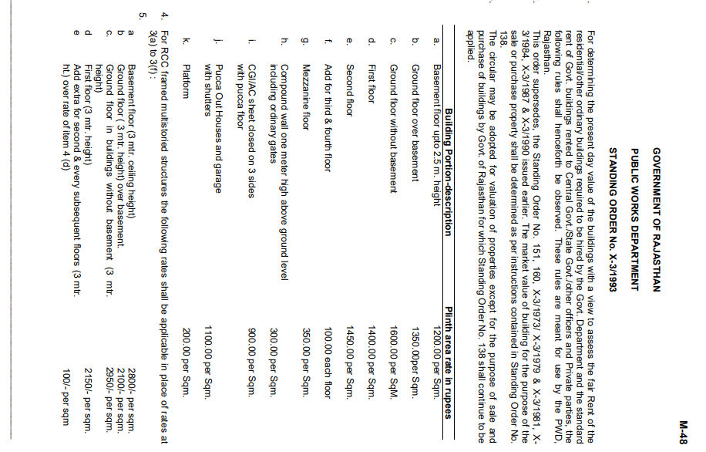
 | Area in (SqYards) | Rates | Value
 | 138.88 | 80,000 | 11,110,400
Plot area (in sqm)
116.11

 | Land | Building | Total
 | 11,110,400 | 2,320,968 | 13,431,368
 | PL-116 | FMV | 13,400,000
 |  | RV | 11,390,000 | at 15% less
 |  | DV | 10,050,000 | at 25% less

 | CIRCLE VALUE
 | Area | Unit | Calculation |  | As it is not confirmed that Karanpur is the area where RaceCourse is part of but is in very close proximity of Karnapur.
Circle rate | 16075 | <- Rate in Per sq.mtr | 16,075 | <- Rate in Per sq. mtr
Land Value | 116.11 | <- Area in Sqmt | 1,866,468
Circle rate | - | <- Rate in Per Hectare | 12,000 | <- Rate in Per sq. mtr
Building Value |  | <- Area in Sqmt | 572,705 | <-- Final Value
Builtup Area (in sq.ft.) | 2453.96 | TOTAL | 2,439,173 | -

 |  |  | - | 0.913 | <-- building age factor
 | % Diffrence | 81.80%
 |  |  |  | Floor no. | sqft | sqm | rate / sqm | area * rate
 |  |  |  | gf | 1071.98 | 99.59 | 2950 | 293789
 |  |  |  | ff | 1071.98 | 99.59 | 2150 | 214117
 |  |  |  | sf | 310 | 28.80 | 2250 | 64799
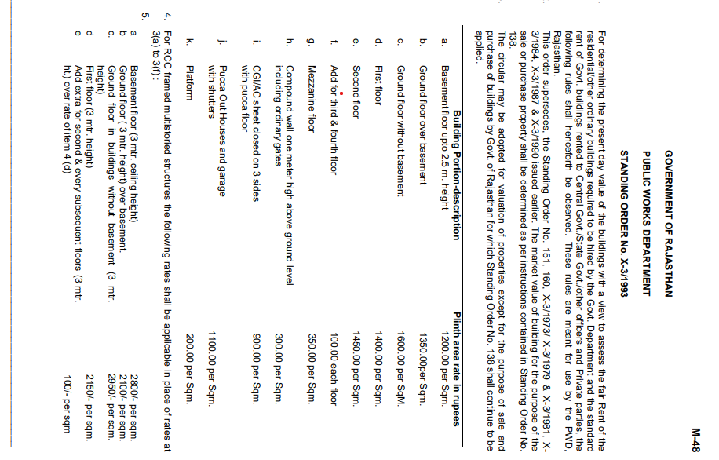
 |  |  |  |  |  |  | Final value of the building as per circle rate | 572705

 |  |  |  |  | 10.764

