Land Valuation
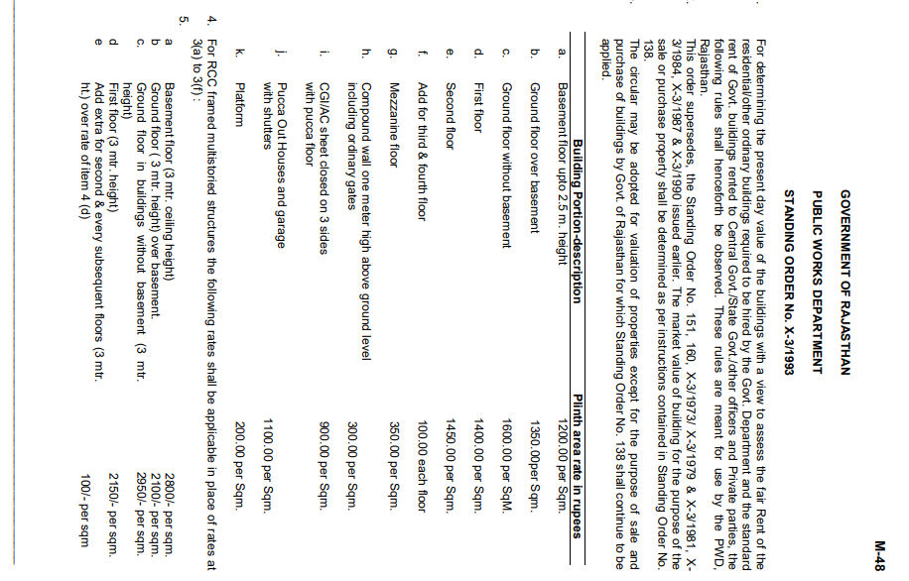
 | Area in (SqYards) | Rates | Value
 | 138.880 | 78,000 | 10,832,640
Plot area (in sqm)
116.11
1.196
 | Land | Building | Total
 | 10,832,640 | 2,299,966 | 13,132,606
 | PL-116 | FMV | 13,100,000
 |  | RV | 11,135,000 | at 15% less
 |  | DV | 9,825,000 | at 25% less

 | CIRCLE VALUE
 | Area | Unit | Calculation |  | As it is not confirmed that Karanpur is the area where RaceCourse is part of but is in very close proximity of Karnapur.
Circle rate | 16075 | <- Rate in Per sq.mtr | 16,075 | <- Rate in Per sq. mtr
Land Value | 116.11 | <- Area in Sqmt | 1,866,468
Circle rate | - | <- Rate in Per Hectare | 12,000 | <- Rate in Per sq. mtr
Building Value |  | <- Area in Sqmt | 340,528 | <-- Final Value
Builtup Area (in sq.ft.) | 2200 | TOTAL | 2,206,996 | -

 |  |  | - | 0.913 | <-- building age factor
 | % Diffrence | 83.15%
 |  |  |  | Floor no. | sqft | sqm | rate / sqm | area * rate
 |  |  |  | gf | 1071.98 | 99.59 | 1600 | 159343
 |  |  |  | ff | 1071.98 | 99.59 | 1400 | 139425
 |  |  |  | sf | 310 | 28.80 | 1450 | 41760
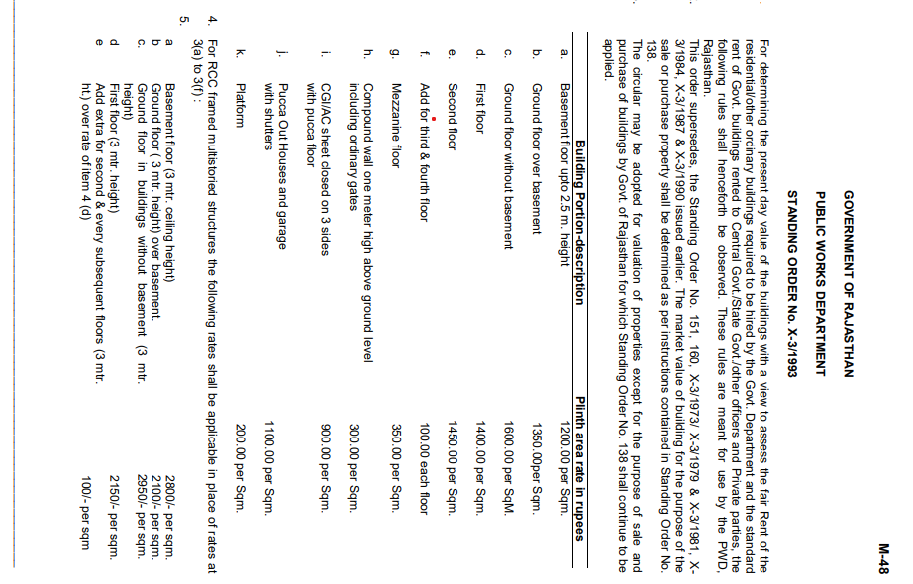
 |  |  |  |  |  |  | Final value of the building as per circle rate | 340528

 |  |  |  |  | 10.764

