Assumptions
ASSUMPTIONS FOR INVENTORY SALE PROJECTIONS

INVENTORY SALE PROJECTIONS

ADVANCE SALE RECEIPTS | YEAR 1 | YEAR 2 | YEAR 3 | YEAR 4 | YEAR 5 | TOTAL ADVANCE SALE
RESIDENTIAL @ %GE OF SALABLE AREA | 5% | 0% | 0% | 0% | 0% | 5%

INVENTORY SALE RECEIPTS | YEAR 1 | YEAR 2 | YEAR 3 | YEAR 4 | YEAR 5 | TOTAL ADVANCE SALE
RESIDENTIAL @ %GE OF SALABLE AREA | 0% | 15% | 20% | 35% | 25% | 95%

CAR PARKING RECEIPTS | YEAR 1 | YEAR 2 | YEAR 3 | YEAR 4 | YEAR 5 | TOTAL ADVANCE SALE
RESIDENTIAL @ %GE OF SALABLE AREA | 0% | 0% | 0% | 50% | 50% | 100%

SALE RATE ESCALATION

PARTICULARS | YEAR 1 | YEAR 2 | YEAR 3 | YEAR 4 | YEAR 5

MARKET PHASING
RESIDENTIAL (RS/ SQ. FT.) | 6000 | 6360 | 6742 | 7146 | 7575

source: https://www.makaan.com/kolkata/builder-project-in-tangra-19783337/3bhk-2t-1535-sqft-apartment

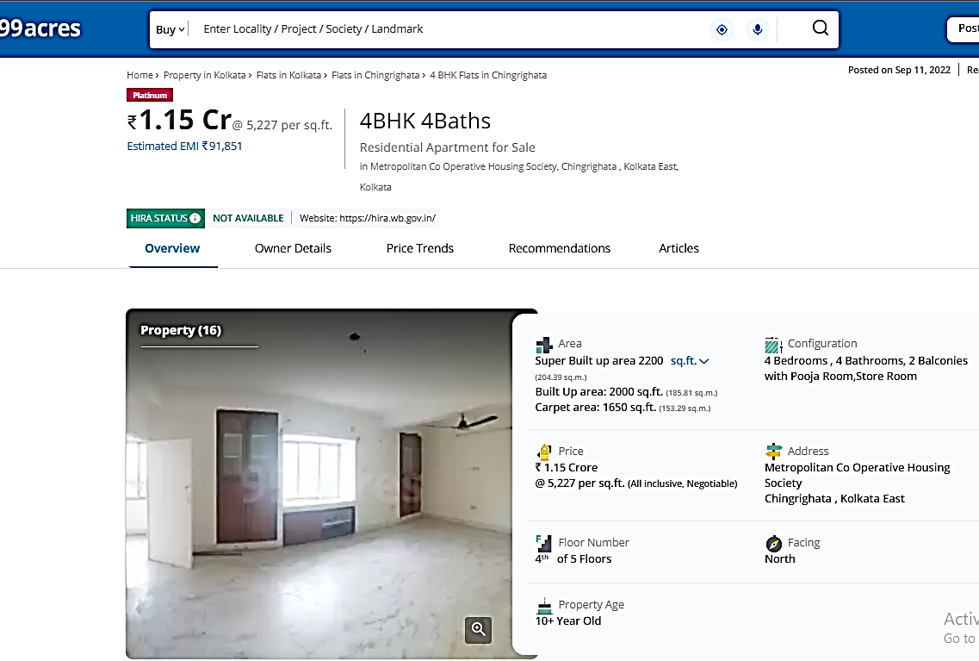

source: https://www.99acres.com/4-bhk-bedroom-apartment-flat-for-sale-in-metropolitan-co-operative-housing-society-chingrighata-east-kolkata-2200-sq-ft-spid-S64742034

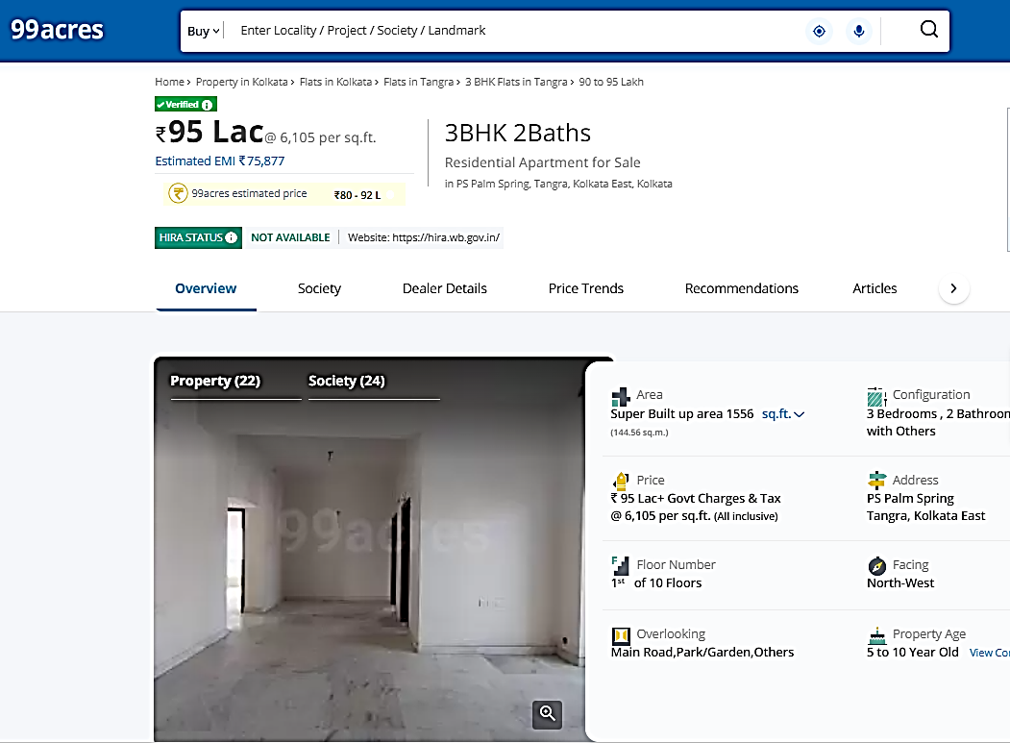

source: https://www.99acres.com/3-bhk-bedroom-apartment-flat-for-sale-in-ps-palm-spring-tangra-east-kolkata-1556-sq-ft-spid-A64964664

Land Valuation (Guideline)
LAND VALUATION-BAGMARI, KOLKATA

Location | PAGLADANGA RODA, PRAGATI MAIDAN KOLKATA
State | WEST BENGAL
Area | APPROX. 38.56 COTTAHS

VALUATION OF PROJECT LAND BY GUIDLINE VALUE|M/s. HONEYBIRD REAL ESTATE LLP|PAGLADANGA ROAD, KOLKATA, WEST BENGAL
GUIDELINE VALUE OF LAND
SR. NO. | PARTICULAR | LOCATION | AREA (SQ. MTR.) | AREA (COTTAHS) | GUIDELINE RATE ADOPTED FOR VALUATION | FAIR MARKET VALUE (INR)
1 | LAND FOR GROUP HOUSING PROJECT | Premises No. 17, Pagladanga Road, P.S. : Pragati Maidan, (Formerly Tiljala), Ward No. 57, Borough-VII under the KMC, Kolkata-700105 | 2,579.05 | 38.56 | - | ₹ 78,963,742
TOTAL |  |  | 2,579.05 | 38.56 | - | ₹ 78,963,742

Note:
1. This Guideline value of land has been taken from https://wbregistration.gov.in/%28S%28g552emq4bkjc2su01vo1sorm%29%29/MV/MV_Land.aspx?type=L
2.All the details related to the land area has been taken from the approved building plan of the project.

