Sheet2
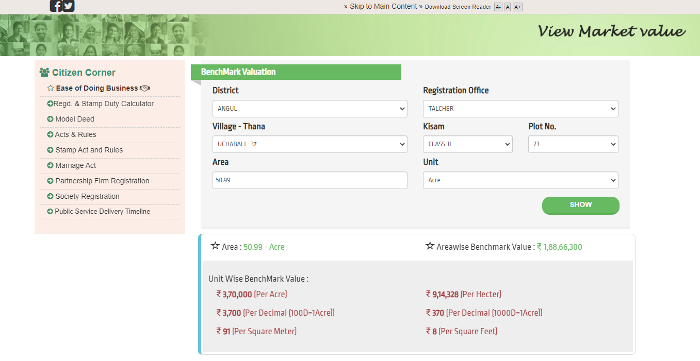

Uchhabali

Tolakbeda

Derang

Kaniha

Masunihata

Balrampur

Gadasila

Takua

Karadei

Sarthipal

