Sheet2
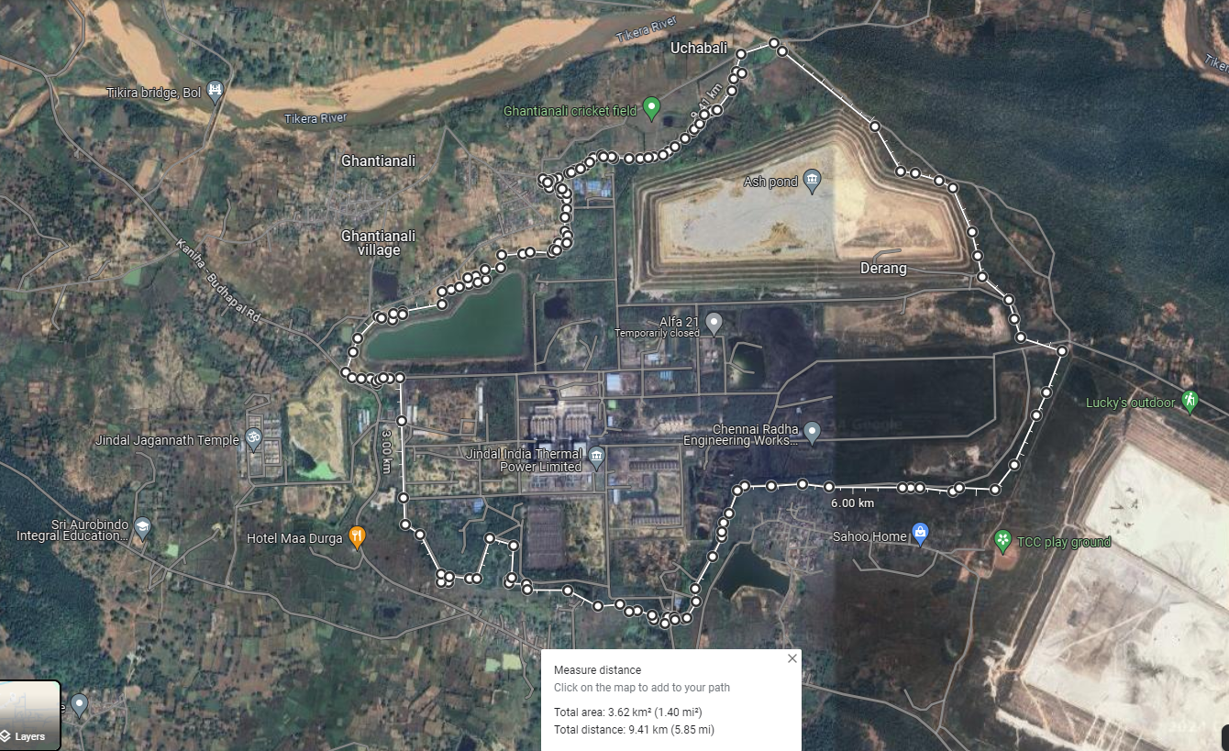

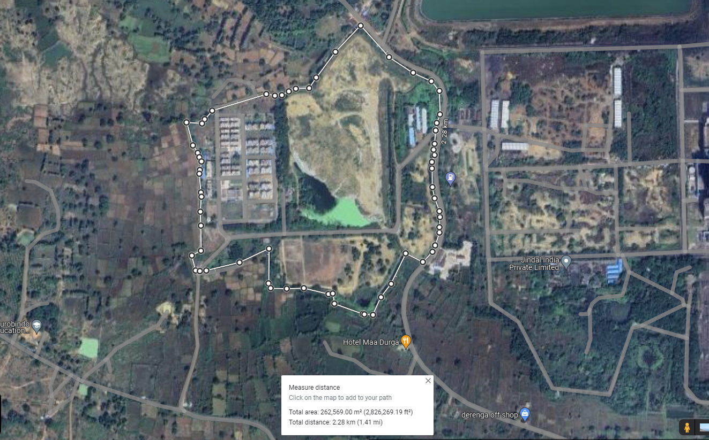

Sheet4
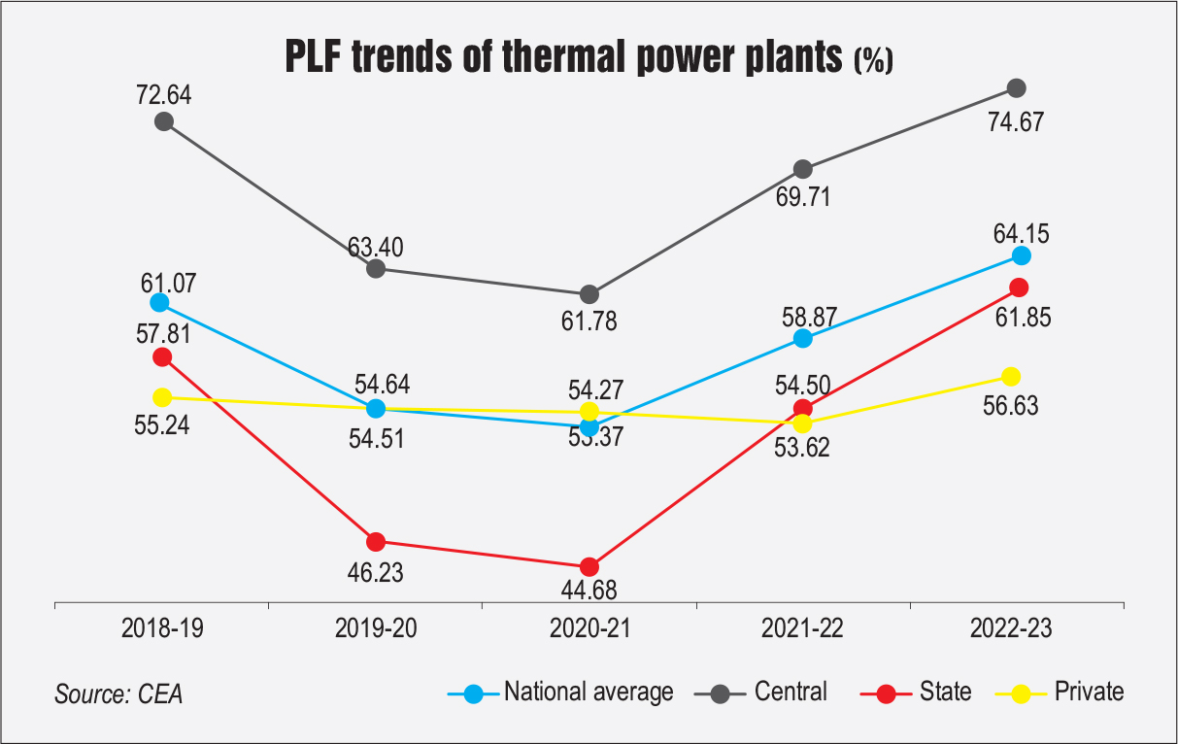
 |  |  |  |  |  | Financial Years | PLF Factor
 |  |  |  |  |  | 2018-19 | 40.10%
 |  |  |  |  |  | 2019-20 | 49.00%
 |  |  |  |  |  | 2020-21 | 56.68%
 |  |  |  |  |  | 2021-22 | 81.51%
 |  |  |  |  |  | 2022-23 | 74.80%

PLF Average (In %)

 | 2018-19 | 2019-20 | 2020-21 | 2021-22 | 2022-23
National | 61.07% | 54.64% | 54.27% | 58.87% | 64.15%
Central | 72.64% | 63.40% | 61.78% | 69.71% | 74.67%
State | 57.81% | 46.23% | 44.68% | 54.50% | 61.85%
Private | 55.24% | 54.51% | 53.37% | 53.62% | 56.63%
JITPL | 40.10% | 49.00% | 56.68% | 81.51% | 74.80%

