Sheet2
2.25 | 22,500,000 | 8,094 | 2,780 | 11,250,000 | 10,125,000
 |  |  |  | 10,000,000 | 9,000,000
 |  |  |  | 15,000,000 | 13,500,000
 |  |  |  | 12,083,333 | 10,875,000
 |  |  |  | 56.86 | 56.86
 |  |  |  | 687,058,333 | 618,352,500

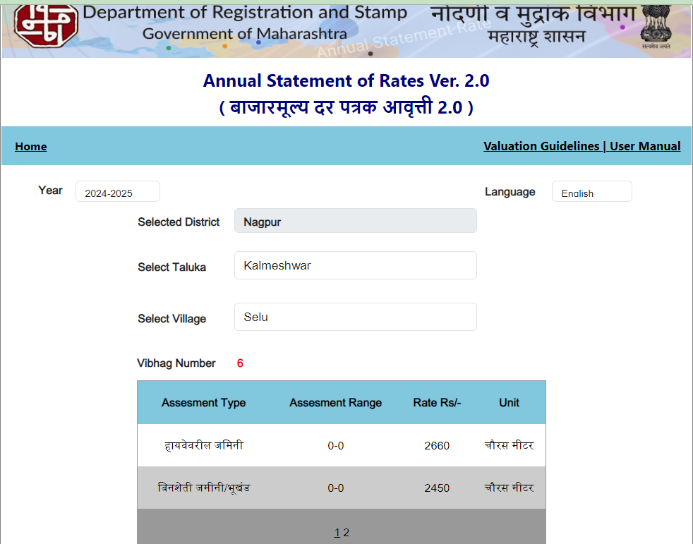
 |  |  |  | 12,000,000
 |  |  |  | 10,200,000 | 2,660
 |  |  |  | 579,972,000 | 230,100
 |  |  |  | 580,000,000 | 612,066,000
 |  |  |  | 493,000,000
 |  |  |  | 435,000,000

