Sheet3
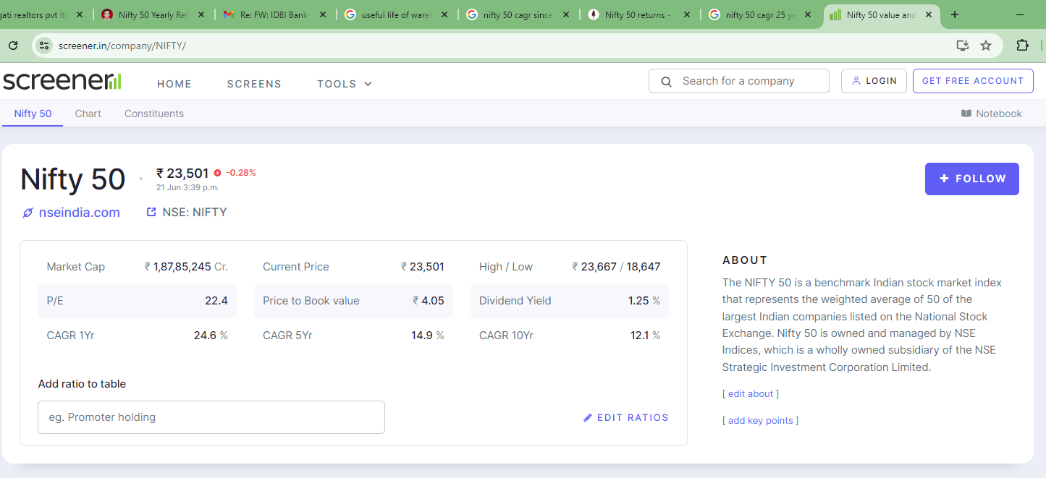
https://www.screener.in/company/NIFTY/

