Sheet1
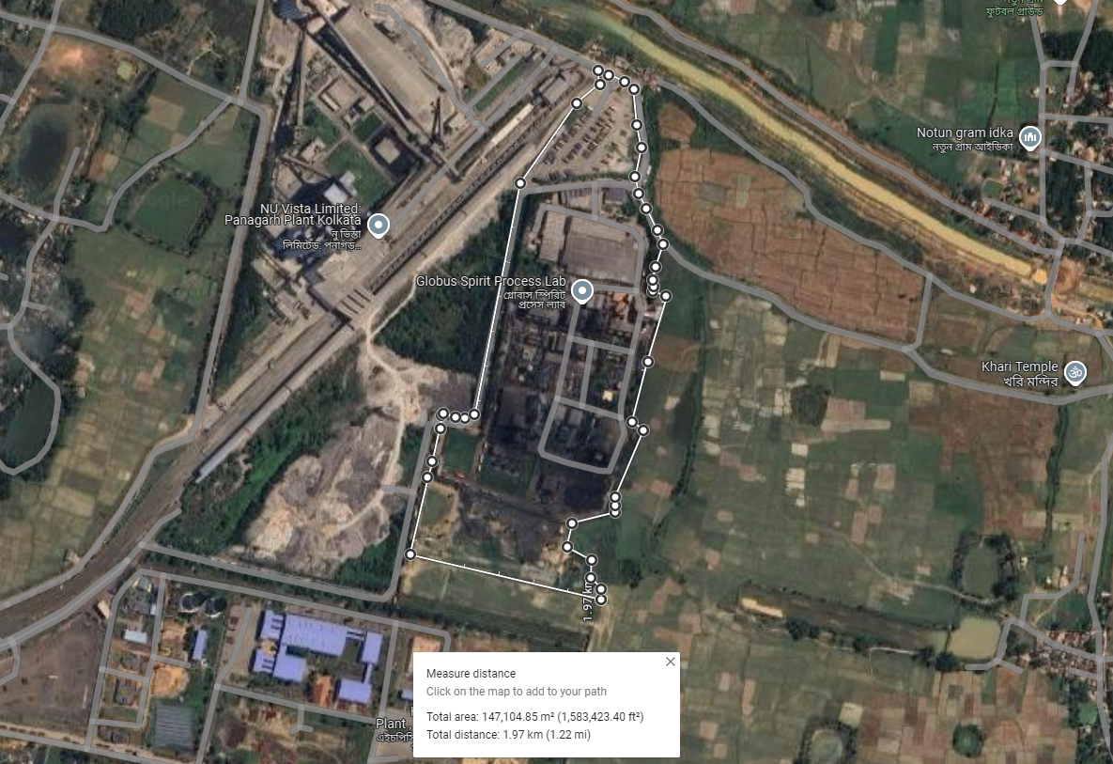

https://wbidc.com/wbidc-land/availability-of-land-modules
https://wbidc.com/assets/pdf/Approved_Terms_Condition.pdf
https://www.wbidc.com/home/industrial-parks/panagarh-industrial-park

 | 759,061 | 1,500,000,000 | 7,997,071 | https://www.99acres.com/industrial-land-plot-for-sale-in-panagarh-durgapur-580800-sq-yard-r2-spid-B75137293
 | 404,685 | 560,000,000 | 5,600,000 | https://www.magicbricks.com/propertyDetails/100-Acre-Industrial-Land-FOR-Sale-Panagarh-in-Durgapur-r2&id=4d423731393734323637
 |  |  | 5,650,000 | WBDCIL
 |  |  | 6,959,800 | https://wbidc.com/wbidc-land/availability-of-land-modules
 |  |  | 7,500,000
45 |  |  | 5,250,000
60
 |  |  | 6,492,812
 |  |  | 6,500,000
 |  |  | 30.364
 |  |  | 197,366,000

 | Land | 572,663,718 | 19.28 | 29,702,475
 | Building | 203,816,820
 |  | 776,480,538

