Land
 |  |  |  |  |  |  |  | 440.06 | 1,087.41 |  |  | 53
Sr. No. | Deed No. | Deed no. | Type of Deed | Village | Name of Seller/Lessor | Name of Purchaser/Lessee | Type of land | Land Area (in Hectare) | Land Area in Acres | Lease Period (In Years) | Land use | 374.17
1 | 2010-08-17 | 1714 | Lease deed | Bhumka | Collector of Sidhi, MP | Aryan MP Power Gerenation Private Limited | Govt. Land | 42.17 | 104.20 | 99 | Power Plant | 924.59
2 | 2011-09-28 | Letter No. 03/A-82/10-11 | Award | Nidhipuri | Mr. Shrinath Singh & 59 other |  | Freehold Land | 11.51 | 28.44 |  | Rail Siding
3 | 2011-09-28 | Letter No. 04/A-82/10-11 | Award | Bhadura | Mrs. Anusuya Bani & 25 other |  | Freehold Land | 1.29 | 3.19 |  | Rail Siding
4 | 2010-08-17 | 1715 | Lease deed | Musamundi | Collector of Sidhi, MP |  | Govt. Land | 10.92 | 26.98 | 99 | Power Plant
5 | 2011-03-18 | Letter No. 02/A-82/10-11 | Award | Bhumka | Mr. Anil Kumar Singh & 137 other |  | Freehold Land | 165.27 | 408.39 |  | Power Plant
6 | 2011-03-18 | Letter No. 01/A-82/10-11 | Award | Musamundi | Mr. Omprakash & 374 other |  | Freehold Land | 208.90 | 516.20 |  | Power Plant
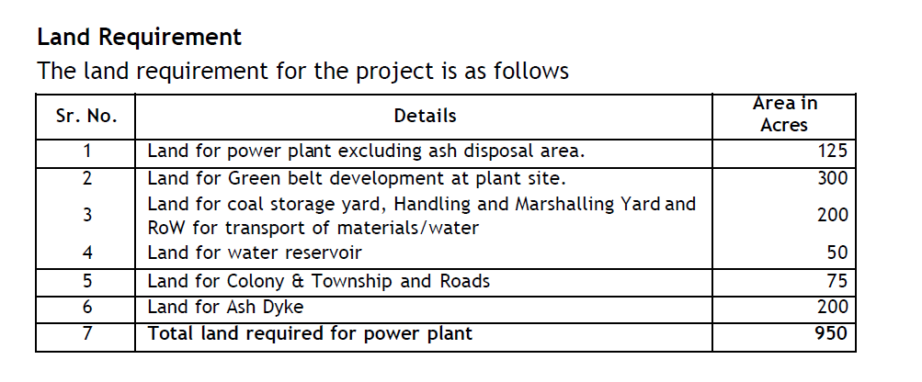
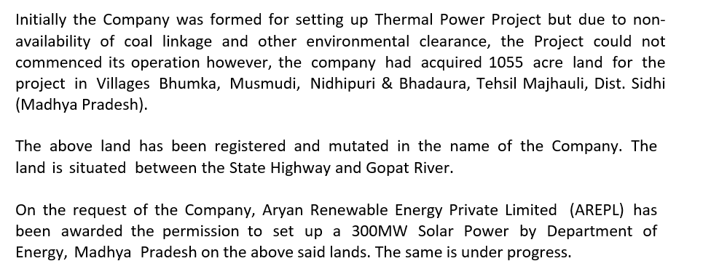

 |  |  |  |  |  |  |  |  |  |  |  | 0

RR Rate
